Sheet1
Skripsi/Tesis | Tahun | Jumlah Skripsi/Tesis | Alamat | Screenshot
Farmasi | 2013 | 299 | http://repository.unej.ac.id/handle/123456789/159/discover?filtertype=dateIssued&filter_relational_operator=equals&filter=2013 | 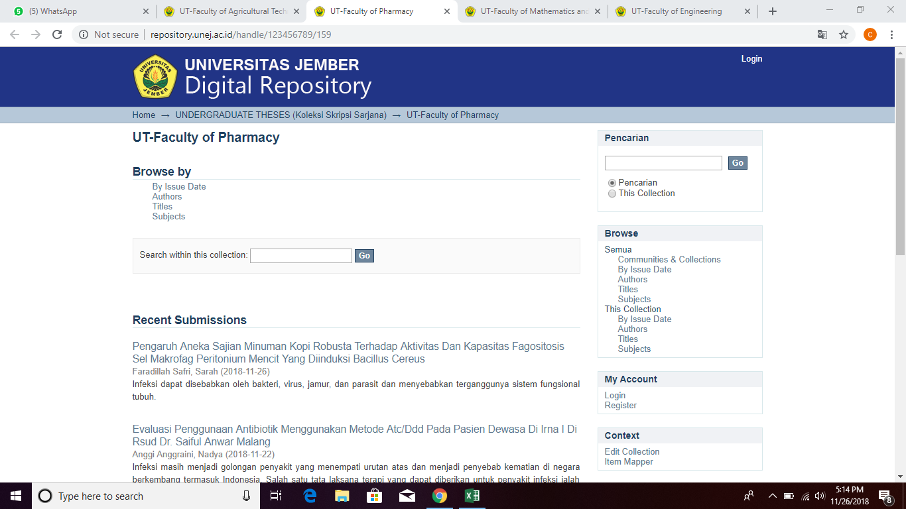
 | 2014 | 296 | http://repository.unej.ac.id/handle/123456789/159/discover?filtertype=dateIssued&filter_relational_operator=equals&filter=2014
 | 2015 | 74 | http://repository.unej.ac.id/handle/123456789/159/discover?filtertype=dateIssued&filter_relational_operator=equals&filter=2015
 | 2016 | 82 | http://repository.unej.ac.id/handle/123456789/159/discover?filtertype=dateIssued&filter_relational_operator=equals&filter=2016
 | 2017 | 67 | http://repository.unej.ac.id/handle/123456789/159/discover?filtertype=dateIssued&filter_relational_operator=equals&filter=2017
 | 2018 | 61 | http://repository.unej.ac.id/handle/123456789/159/discover?filtertype=dateIssued&filter_relational_operator=equals&filter=2018
Teknik | 2002 | 8 | Koleksi Perpustakaan Fakultas Teknik | 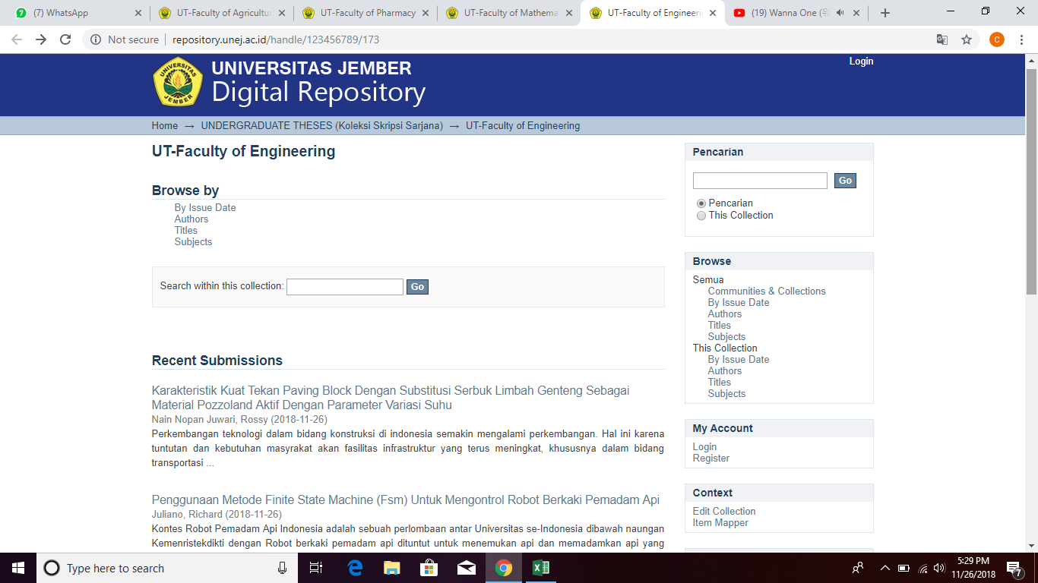
 | 2003 | 19 | Koleksi Perpustakaan Fakultas Teknik
 | 2004 | 42 | Koleksi Perpustakaan Fakultas Teknik
 | 2008 | 32 | Koleksi Perpustakaan Fakultas Teknik
 | 2009 | 39 | Koleksi Perpustakaan Fakultas Teknik
 | 2010 | 59 | Koleksi Perpustakaan Fakultas Teknik
 | 2011 | 61 | Koleksi Perpustakaan Fakultas Teknik
 | 2012 | 35 | Koleksi Perpustakaan Fakultas Teknik
 | 2013 | 699 | http://repository.unej.ac.id/handle/123456789/173/discover?filtertype=dateIssued&filter_relational_operator=equals&filter=2013
 | 2014 | 686 | http://repository.unej.ac.id/handle/123456789/173/discover?filtertype=dateIssued&filter_relational_operator=equals&filter=2014
 | 2015 | 206 | http://repository.unej.ac.id/handle/123456789/173/discover?filtertype=dateIssued&filter_relational_operator=equals&filter=2015
 | 2016 | 162 | http://repository.unej.ac.id/handle/123456789/173/discover?filtertype=dateIssued&filter_relational_operator=equals&filter=2016
 | 2017 | 151 | http://repository.unej.ac.id/handle/123456789/173/discover?filtertype=dateIssued&filter_relational_operator=equals&filter=2017
 | 2018 | 226 | http://repository.unej.ac.id/handle/123456789/173/discover?filtertype=dateIssued&filter_relational_operator=equals&filter=2018
MIPA | 2013 | 431 | http://repository.unej.ac.id/handle/123456789/168/discover?filtertype=dateIssued&filter_relational_operator=equals&filter=2013 | 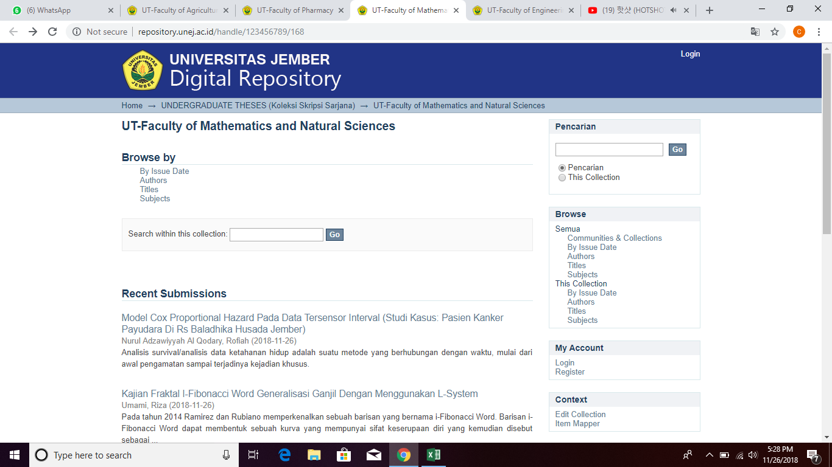
 | 2014 | 901 | http://repository.unej.ac.id/handle/123456789/168/discover?filtertype=dateIssued&filter_relational_operator=equals&filter=2014
 | 2015 | 175 | http://repository.unej.ac.id/handle/123456789/168/discover?filtertype=dateIssued&filter_relational_operator=equals&filter=2015
 | 2016 | 229 | http://repository.unej.ac.id/handle/123456789/168/discover?filtertype=dateIssued&filter_relational_operator=equals&filter=2016
 | 2017 | 280 | http://repository.unej.ac.id/handle/123456789/168/discover?filtertype=dateIssued&filter_relational_operator=equals&filter=2017
 | 2018 | 232 | http://repository.unej.ac.id/handle/123456789/168/discover?filtertype=dateIssued&filter_relational_operator=equals&filter=2018
Teknologi Pertanian | 2013 | 178 | http://repository.unej.ac.id/handle/123456789/171/discover?filtertype=dateIssued&filter_relational_operator=equals&filter=2013
 | 2014 | 555 | http://repository.unej.ac.id/handle/123456789/171/discover?filtertype=dateIssued&filter_relational_operator=equals&filter=2014
 | 2015 | 117 | http://repository.unej.ac.id/handle/123456789/171/discover?filtertype=dateIssued&filter_relational_operator=equals&filter=2015
 | 2016 | 338 | http://repository.unej.ac.id/handle/123456789/171/discover?filtertype=dateIssued&filter_relational_operator=equals&filter=2016
 | 2017 | 50 | http://repository.unej.ac.id/handle/123456789/171/discover?filtertype=dateIssued&filter_relational_operator=equals&filter=2017
Total |  | 6790

